Ergebnismeldung
Result form |  |  |  |  |  |  |  |  |  |  |  | 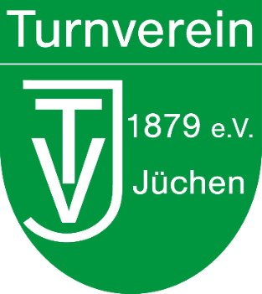 Logo Ausrichter
Virtual Track Cup
2022

red fields are mandatory, green fields are optional

Club:
As the coach/supervisor of the athletes listed below, I confirm that the information provided is correct:
Coach/supervisor :
Email address:

Please send the completed result form to Jan@tvjuechen.de by 06.11.2022 at the latest!

Nr. | Last name | First name | Date of birth | Age | Sex | Ergebnisse der Disziplinen
 |  |  |  |  |  | 100 m | 400 m | 800 m | 50 m One Foot | Wheel Walk (10 m/30 m) | IUF-Slalom | Coasting | High Jump (over Bar) | Long Jump (Track)
Please consider the format of the numbers when entering! |  |  |  |  |  | [ss.xx] | [m:ss.xx] | [m:ss.xx] | [ss.xx] | [ss.xx] | [ss.xx] | [m.dm] | [cm] | [cm]
0 | Mustermann | Max | 1999-11-11 | 22 | m | 14.25 | 1:04.45 | 2:16.35 | 9.87 | 8.56 | 23.34 | 87.6 | 37 | 168

